1. Title Page
[Instacart Grocery Basket Analysis]

Project Name: Instacart Grocery Basket Analysis
Date: 02/21/2024
Analyst Name: Tomas Zemeckis

Contents: | Citations:
Population Flow | 1. The Instacart Online Grocery Shopping Dataset 2017, Accessed from www.instacart.com/datasets/grocery-shopping-2017 via Kaggle on 18-02-2024.
Consistency checks | 2. Data on customers and the "prices" column in the 'products' dataset were fabricated for the purpose of this analysis.
Wrangling steps
Column derivations
Visualizations
Recommendations

2. Population Flow
Title page

Population flow

Orders_products_combined
Orders_products_merged
final

Total: 32404859
Total: 32434489
Total: 32404859

Exclusion flag
Condition: max_order < 5
Obervations to be removed: 1440295
Final total count of order_products_all: 30964564

3. Consistency checks
Consistency checks

Dataset | Missing values | Missing values treatment | Duplicates
orders | 206209 missing values for days_since_prior_order collumn | To address the missing values, no action was necessary. Because it was the very first order from the consumer, this cell will be empty until they make second order. | No duplicates
products | 16 missing values in 'product_name' collumn | Removed the missing values because they are less than 5% and shouldn't have an impact on the analysis. | 5 duplicates deleted
orders_products_prior | No missing values | No missing values | No duplicates
customers | 11259 missing values in 'first_name' collumn | There is no action required because first name and second name shouldn't be included in the dataset due to PII. | No duplicates

4. Wrangling steps
Wrangling steps

Dataset | Columns dropped | Columns renamed | Columns' type changed | Comment/Reason
orders | eval_set |  |  | Not needed for the analysis
orders |  | order_dow |  | Changed the collumn name to "orders_day_of_week" due to unclear naming
orders |  |  | orders_id | Changed data type to string
orders |  |  | user_id | Changed data type to string
orders_products_combined | _merge |  |  | Not needed for the analysis
customers |  | Surnam |  | Typo renamed to surname
customers |  | fam_status |  | Unclear naming. Renamed to marital_status
customers |  | n_dependants |  | Unclear naming. Renamed to dependants
customers |  | STATE |  | Inconsistent naming. Renamed to state
customers |  | First Name |  | Inconsistent naming. Renamed to first_name
customers |  | Gender |  | Inconsistent naming. Renamed to gender
customers |  |  | date_joined | Changed data type to datetime64
ords_prods_merge | aisle_id |  |  | Not needed for the analysis
ords_prods_merge | exist |  |  | Not needed for the analysis

5. Column derivations
Column derivations and aggregations

Dataset | New column | Column/s it was derived from | Conditions | Output
Orders_products_merged | price_range_loc | prices | ords_prods_merge.loc[ords_prods_merge['prices'] > 15, 'price_range_loc'] = 'High-range product' ords_prods_merge.loc[(ords_prods_merge['prices'] <= 15) & (df['prices'] > 5), 'price_range_loc'] = 'Mid-range product' ords_prods_merge.loc[ords_prods_merge['prices'] <= 5, 'price_range_loc'] = 'Low-range product' | price_range_loc nan 21208222 Low-range product 10126321 Mid-range product 652638 High-range product 417678 Name: count, dtype: int64
Orders_products_merged | busiest_day | orders_day_of_week | for value in ords_prods_merge["orders_day_of_week"]: if value == 0: result.append("Busiest day") elif value == 4: result.append("Least busy") else: result.append("Regularly busy") | busiest_day Regularly busy 22416875 Busiest day 6204182 Least busy 3783802 Name: count, dtype: int64
Orders_products_merged | busiest_days | orders_day_of_week | for value in ords_prods_merge["orders_day_of_week"]: if value == 0 or value == 1: result_2.append("Busiest days") elif value == 3 or value == 4: result_2.append("slowest_days") else: result_2.append("Regularly busy") | busiest_days Regularly busy 12916111 Busiest days 11864412 slowest_days 7624336 Name: count, dtype: int64
Orders_products_merged | busiest_period_of_day | order_hour_of_day | for value in ords_prods_merge["order_hour_of_day"]: if value in [10, 11, 14, 15, 13, 12, 16, 9]: result_3.append("most_orders") elif value in [17, 8, 18, 19, 20, 7, 21, 22]: result_3.append("average_orders") else: result_3.append("fewest_orders") | busiest_period_of_day most_orders 21118071 average_orders 9997651 fewest_orders 1289137 Name: count, dtype: int64
Orders_products_merged | max_order | user_id and number_of_orders | ords_prods_merge['max_order'] = ords_prods_merge.groupby(['user_id'])['number_of_orders'].transform(np.max) | Shows max orders per customer
Orders_products_merged | loyalty_flag | max_order and user_id | ords_prods_merge.loc[ords_prods_merge['max_order'] > 40, 'loyalty_flag'] = 'Loyal customer' ords_prods_merge.loc[(ords_prods_merge['max_order'] <= 40) & (ords_prods_merge['max_order'] > 10), 'loyalty_flag'] = 'Regular customer' ords_prods_merge.loc[ords_prods_merge['max_order'] <= 10, 'loyalty_flag'] = 'New customer' | loyalty_flag Regular customer 15876776 Loyal customer 10284093 New customer 6243990 Name: count, dtype: int64
Orders_products_merged | mean_price | user_id and prices | ords_prods_merge['mean_price'] = ords_prods_merge.groupby(['user_id'])['prices'].transform(np.mean) | Average price spent per customer
Orders_products_merged | spending_flag | mean_price | ords_prods_merge.loc[ords_prods_merge['mean_price'] < 10, 'spending_flag'] = 'low_spender' ords_prods_merge.loc[ords_prods_merge['mean_price'] >= 10, 'spending_flag'] = 'high_spender' | Shows if the customer is high or low spender
Orders_products_merged | median_days_since_pror_order | user_id and days_since_prior_order | ords_prods_merge['median_days_since_prior_order'] = ords_prods_merge.groupby(['user_id'])['days_since_prior_order'].transform(np.median) | Shows the median for days since prior order
Orders_products_merged | frequency_flag | median_days_since_pror_order | ords_prods_merge.loc[ords_prods_merge['median_days_since_prior_order'] > 20, 'frequency_flag'] = 'Non-frequent customer' ords_prods_merge.loc[(ords_prods_merge['median_days_since_prior_order'] <= 20) & (ords_prods_merge['median_days_since_prior_order'] > 10), 'frequency_flag'] = 'Regular customer' ords_prods_merge.loc[ords_prods_merge['median_days_since_prior_order'] <= 10, 'frequency_flag'] = 'Frequent customer' | frequency_flag Frequent customer 21559853 Regular customer 7208564 Non-frequent customer 3636437 nan 5 Name: count, dtype: int64
Orders_products_merged | region | state | ords_prods_merge['region'] = 'West' ords_prods_merge.loc[ords_prods_merge['state'].isin(['Maine', 'New Hampshire', 'Vermont', 'Massachusetts', 'Rhode Island', 'Connecticut', 'New York', 'Pennsylvania', 'New Jersey']), 'region'] = 'Northeast' ords_prods_merge.loc[ords_prods_merge['state'].isin(['Wisconsin', 'Michigan', 'Illinois', 'Indiana', 'Ohio', 'North Dakota', 'South Dakota', 'Nebraska', 'Kansas', 'Minnesota', 'Iowa', 'Missouri']), 'region'] = 'Midwest' ords_prods_merge.loc[ords_prods_merge['state'].isin(['Delaware', 'Maryland', 'District of Columbia', 'Virginia', 'West Virginia', 'North Carolina', 'South Carolina', 'Georgia', 'Florida', 'Kentucky', 'Tennessee', 'Mississippi', 'Alabama', 'Oklahoma', 'Texas', 'Arkansas', 'Louisiana']), 'region'] = 'South' | deviding states into the regions
Orders_products_merged | exclusion_flag | max_order |  | Created new column to exclude customers with less then 5 orders
excl | income_category | income | # Seting the income thresholds for low and high income low_income_threshold = 50000 high_income_threshold = 100000 # Creating Income category column excl['income_category'] = pd.cut( excl['income'], bins=[-float('inf'), low_income_threshold, high_income_threshold, float('inf')], labels=['Low Income', 'Middle Income', 'High Income'], include_lowest=True) | Deviding income into category low, medium and high
excl | age_group | age | # Create the age_group column with default value as 'Unknown' excl['age_group'] = 'Unknown' # Assign age groups based on conditions excl.loc[(excl['Age'] >= 18) & (excl['Age'] <= 28), 'age_group'] = 'Young Adult' excl.loc[(excl['Age'] >= 29) & (excl['Age'] <= 40), 'age_group'] = 'Adult' excl.loc[(excl['Age'] >= 41) & (excl['Age'] <= 55), 'age_group'] = 'Middle-Aged' excl.loc[(excl['Age'] >= 56) & (excl['Age'] <= 70), 'age_group'] = 'Senior' excl.loc[(excl['Age'] >= 71) & (excl['Age'] <= 82), 'age_group'] = 'Elderly' | Assigning age group to the age
excl | dependant_flag | dependant | # Create flag to identify customers with dependants excl['dependant_mean'] = excl.groupby(['user_id'])['dependants'].transform('mean') excl.loc[excl['dependant_mean'] > 0, 'dependant_flag'] = 'with dependants' excl.loc[excl['dependant_mean'] <= 0, 'dependant_flag'] = 'Without Dependants' | Creating flag to see if there is dependants in the family
excl | customer_profile | age_group, income_category, dependant_flag | # Creating new column customer_profile excl['customer_profile'] = excl['age_group'] + '_' + excl['income_category'] + '_' + excl['dependant_flag'] | add all the columns together
excl | department_name | department_id | # Create the 'department_name' column excl['department_name'] = excl['department_id'].map(department_mapping).fillna("missing") | giving names to the department id

6. Recommendations
Visualisations and Recommendations

1. The sales team needs to know what the busiest days of the week and hours of the day are (i.e., the days and times with the most orders) in order to schedule ads at times when there are fewer orders.

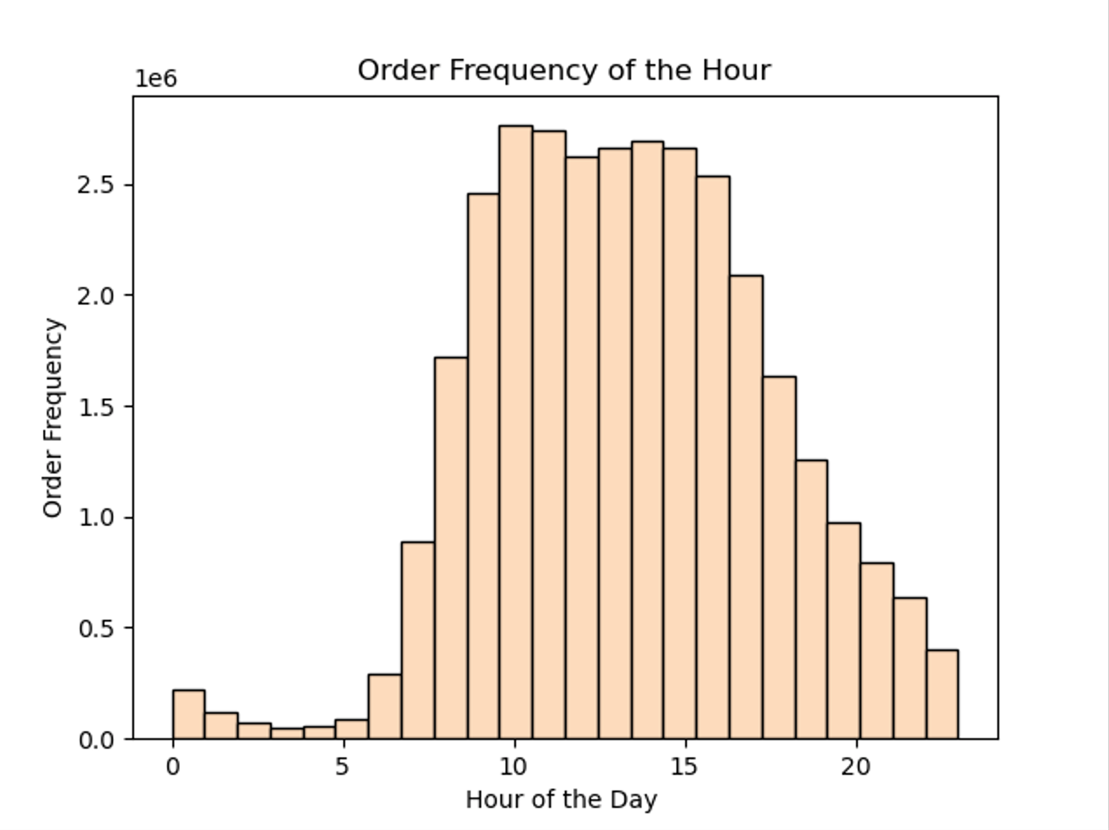
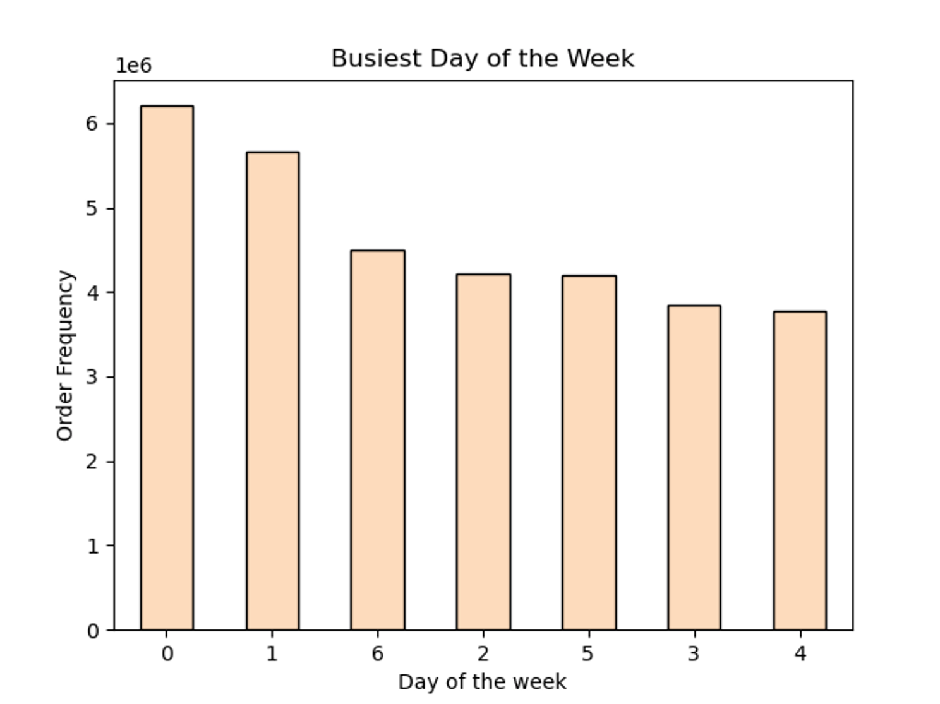

Recommendation: The sales team needs to give priority for the ads to the fewer customers hours, which are from approximately 5 p.m. to 11p.m and refrain from running more advertisements at night when the majority of consumers are asleep. Saturday and Sunday are the busiest days of the week, with more orders placed than on other days. Further advertisements operating from Monday through Friday during the week could result in higher order quantities.

2. They also want to know whether there are particular times of the day when people spend the most money, as this might inform the type of products they advertise at these times.

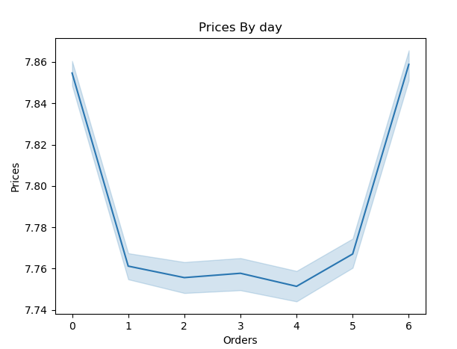
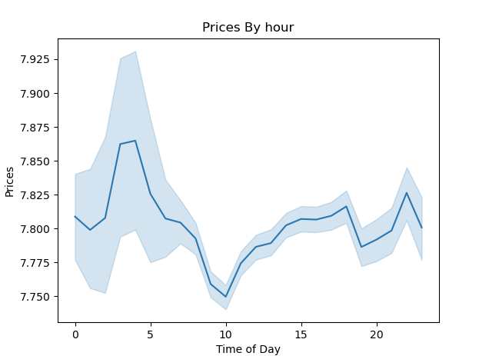

Recommendation: The early morning hours, from roughly 3am to 5am, are when the average price per order is highest. And then the average price drops until 10am to slightly increase until 7pm.

3. Instacart has a lot of products with different price tags. Marketing and sales want to use simpler price range groupings to help direct their efforts.

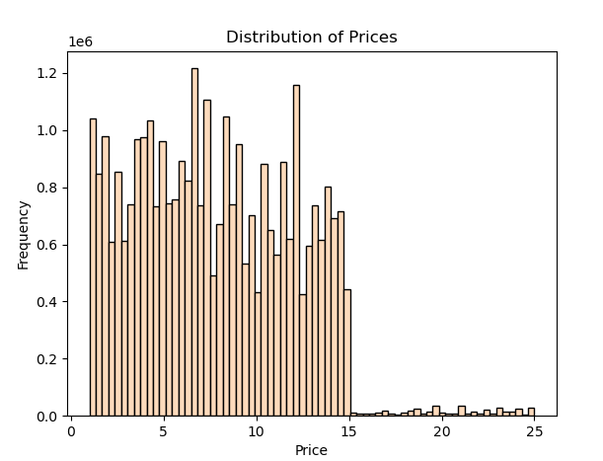
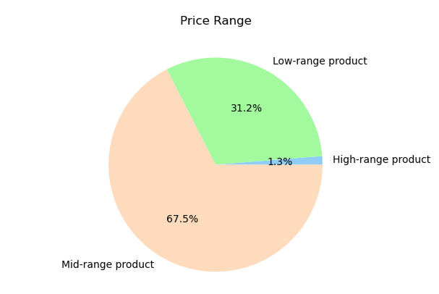

Recommendation: The process of creating the price range grouping was as follows:Products in three ranges: low, under $5; mid, between $5 and $15; and high, over $15. The midrange products that account for more than 60% of sales should remain the sales team's primary focus.

4. Are there certain types of products that are more popular than others? The marketing and sales teams want to know which departments have the highest frequency of product orders

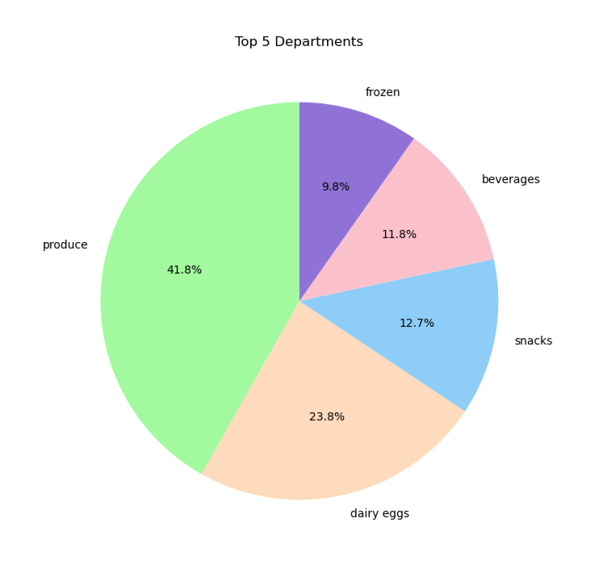

Recommendation: Give the departments of produce, dairy eggs priority as they contribute over the largest sales in top 5 departments. After that, snacks, drinks, and frozen.

5. What’s the distribution among users in regards to their brand loyalty (i.e., how often do they return to Instacart)?

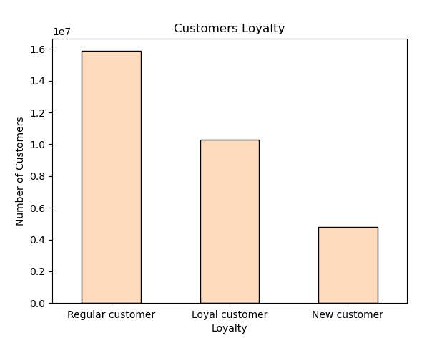

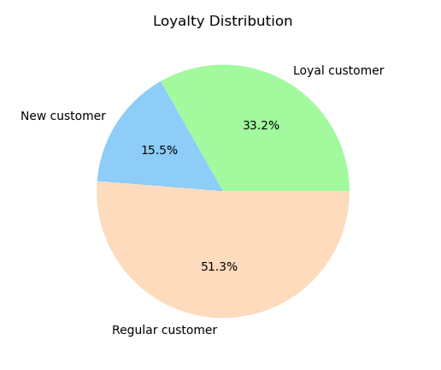

Recommendation: 51.3% of the customers are regular customers(Customers with return rate from 10 to 20 days) and loyal customers(Customers with return rate from 10 and less days) follows behind with 33.2% and new customers with 15.5%. Most of the customer shops few times a month.

6. Are there differences in ordering habits based on a customer’s loyalty status?

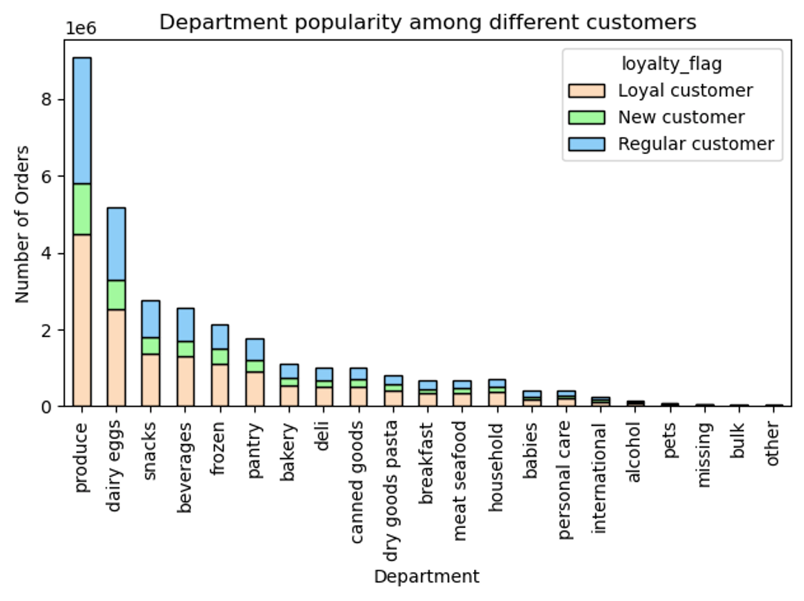
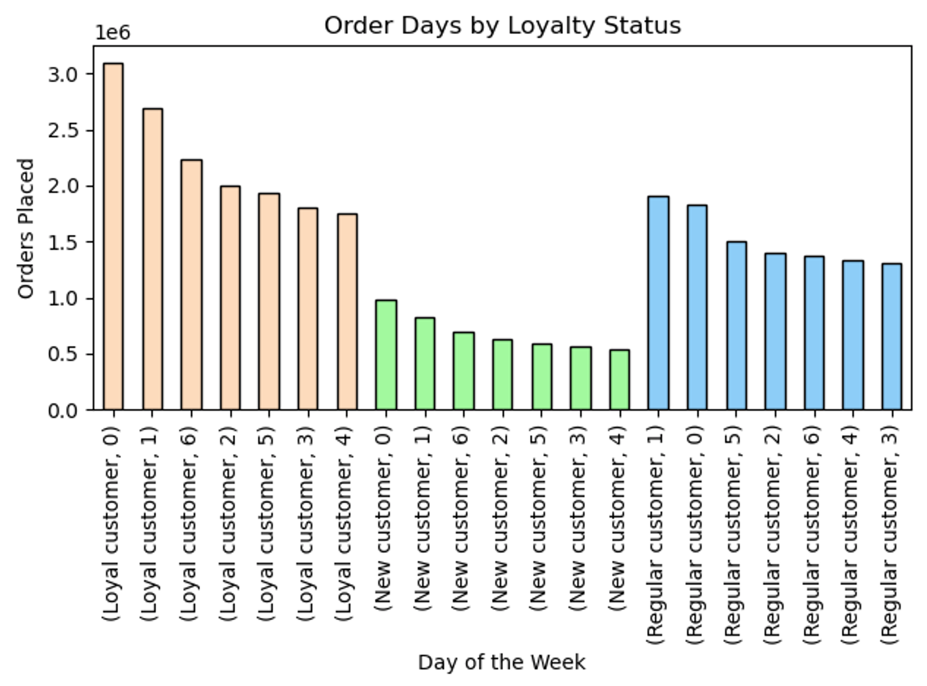

Recommendation: There is not a noticeable distinction in the loyalty status of the customer ordering habits. Least amont of orders placed on Wednesday for loyal and new customers while the regulars have the least orders placed on Tuesday. The most orders for all of the customers are in the weekend(Saturday, Sunday).

7. Are there differences in ordering habits based on a customer’s region?

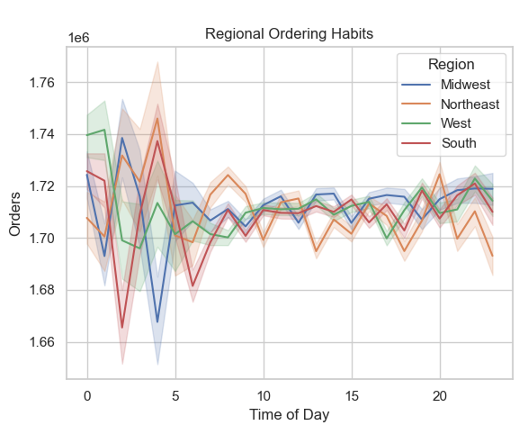
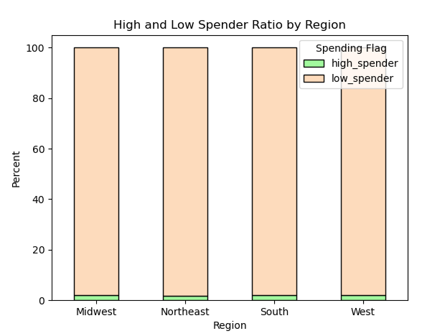
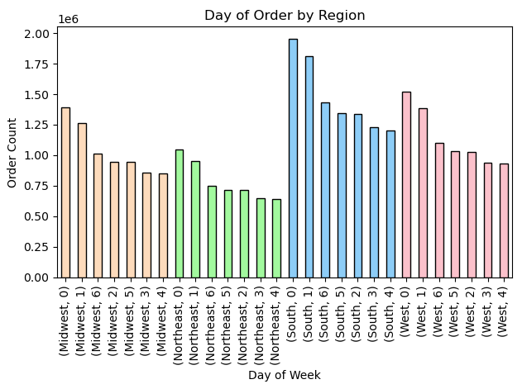

 | x

Recommendation: Nearly the same percentage of high and low spenders exist in every region. For all regions, the highest and lowest orders placed each day remain the same, with the majority being placed on the weekends and the least on Wednesdays. The most and least orders placed for all regions are in the late night and early morning hours.

8. Is there a connection between age and family status in terms of ordering habits?

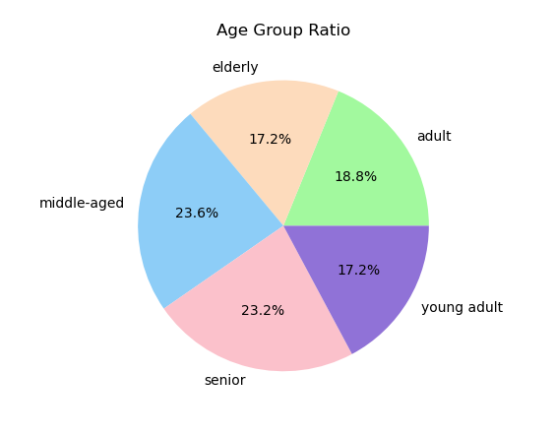

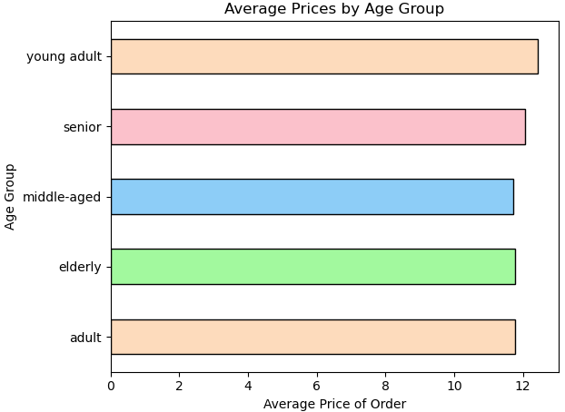

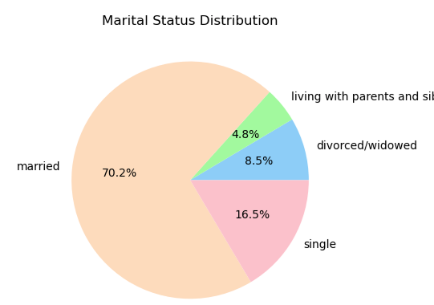
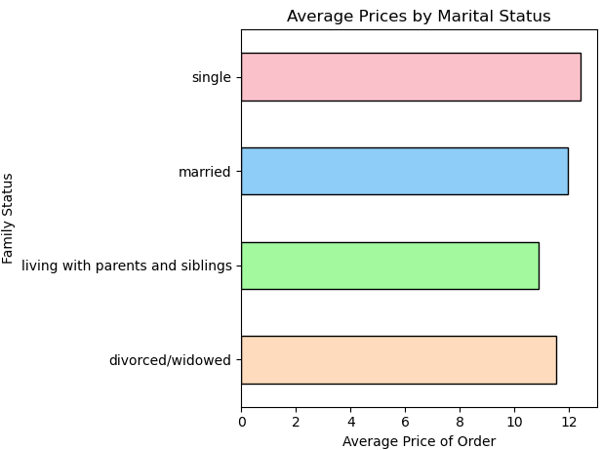

Recommendation: 70.2% of the customers are married therfore we should focus on this group. The average amount spent varies slightly depending on age and marital status. The lowest is living with parents and siblings. And the highes are singles and young adults.

9. What different classifications does the demographic information suggest? Age? Income? Certain types of goods? Family status?

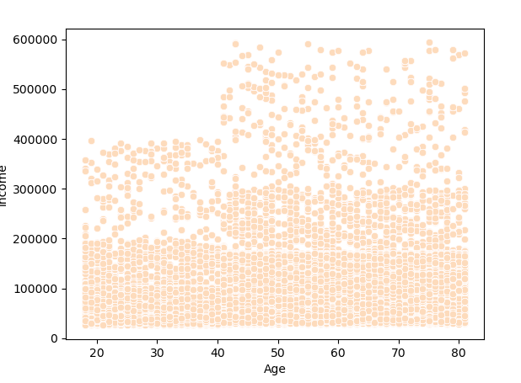

Recommendation: It demonstrates that as people age, their income is more likely to rise. We can see the high increase in income from people 40 and above. Ads targeting those over forty should be specifically designed to match their needs and encourage a healthy lifestyle with time-saving home delivery.

10. What differences can you find in ordering habits of different customer profiles? Consider the price of orders, the frequency of orders, the products customers are ordering, and anything else you can think of.

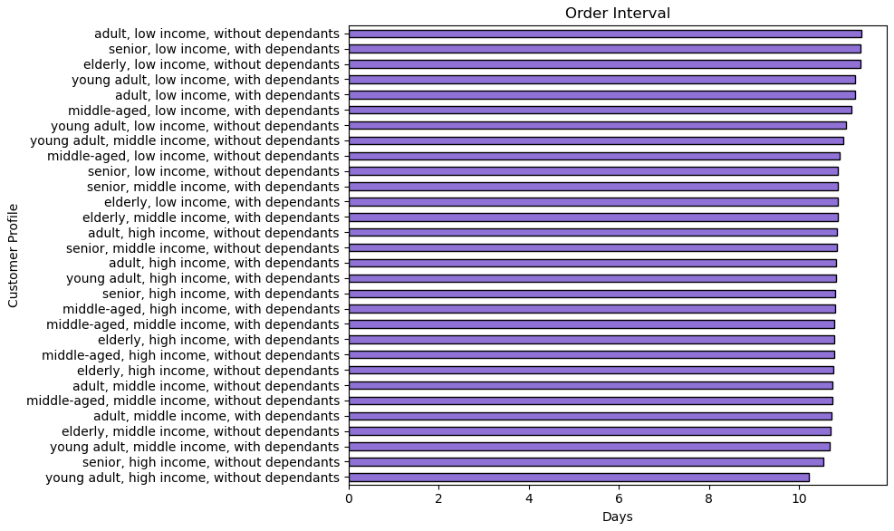
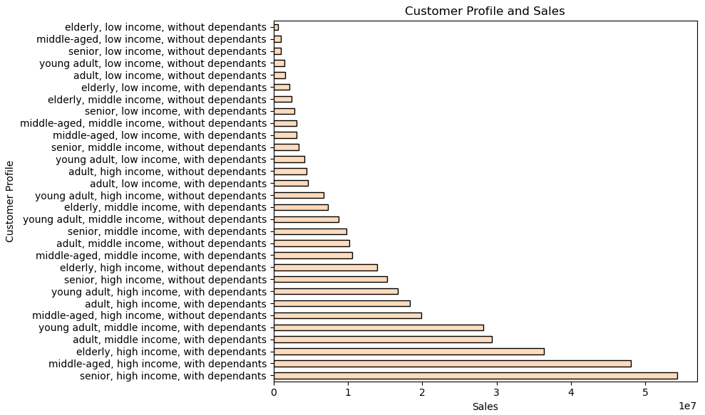

Recommendation: In all consumer profiles, the frequency of orders remains relatively similar. highest and middle income groups with dependents generate the most sales. The sales team should concentrate on displaying advertisements for people with high and mid incomes without dependants, because there is a greater chance of attracting them back with creative time-saving shopping ideas and healthier options because they can place more frequent orders and purchase everything fresh.

